CMMI levels
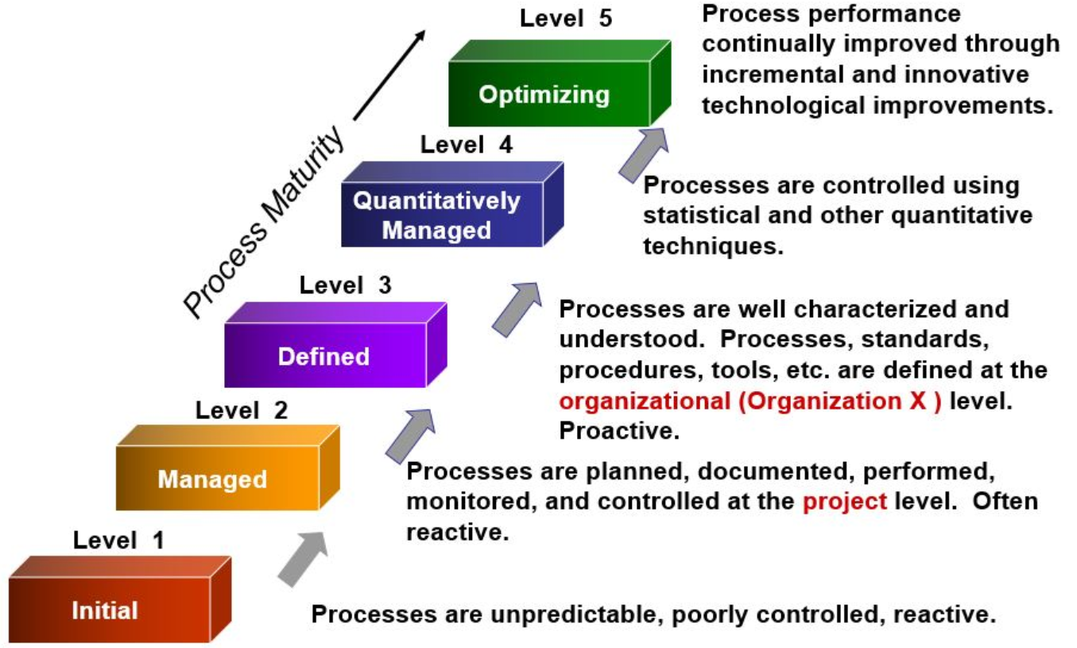
Based on | https://en.wikipedia.org/wiki/Capability_Maturity_Model_Integration

Characteristics of the Maturity Levels
Level | Name | Description | Example of Incremental scoring could be % completeness of items required to achieve the next level.
N/A | Not Applicable | Process does not apply
0 | No Action | No Action taken for ICS OT to date
1.00 | Initial | Processes unpredictable, poorly controlled and reactive
1.25 | Initial + | Incremental improvements
1.50 | Initial ++ | Incremental improvements
1.75 | Initial +++ | Incremental improvements
2.00 | Managed | Processes characterized for projects and is often reactive
2.25 | Managed + | Incremental improvements
2.50 | Managed ++ | Incremental improvements
2.75 | Managed +++ | Incremental improvements
3.00 | Defined | Process Characterized for the Organization and is Proactive.
3.25 | Defined + | Incremental improvements
3.50 | Defined ++ | Incremental improvements
3.75 | Defined +++ | Incremental improvements
4.00 | Quantitatively Managed | Processes measured and controlled
4.25 | Quantitatively Managed + | Incremental improvements
4.50 | Quantitatively Managed ++ | Incremental improvements
4.75 | Quantitatively Managed +++ | Incremental improvements
5.00 | Optimizing | Focus on process improvement

Summary
ICS Security Practice Domain | CMMI Level Score | Comments/Observations/Findings | Recommendations
Security Program, Risk Management & Governance | 1.68 | summary of all subquestion scores from the domain tab
Asset Inventory | 2.75 | summary of all subquestion scores from the domain tab
Configuration Management & Change Control | 1.96 | summary of all subquestion scores from the domain tab
Network Security & Architecture | 5.00 | summary of all subquestion scores from the domain tab
Access Control | 2.00 | summary of all subquestion scores from the domain tab
Third Party & Supply Chain Risk Management | 2.84 | summary of all subquestion scores from the domain tab
Insider Threat Program | 3.31 | summary of all subquestion scores from the domain tab
RF & Wireless Security | 1.92 | summary of all subquestion scores from the domain tab
Portable, Mobile & Peripheral Devices | 1.88 | summary of all subquestion scores from the domain tab
Systems Security Engineering | 2.69 | summary of all subquestion scores from the domain tab
Business Continuity | 1.94 | summary of all subquestion scores from the domain tab
Incident Response, OT SOC & Threat Hunting | 2.67 | summary of all subquestion scores from the domain tab
Security Assessments | 2.00 | summary of all subquestion scores from the domain tab
Safety | 2.25 | summary of all subquestion scores from the domain tab
ICS specific awareness & training | 2.75 | summary of all subquestion scores from the domain tab
Total Security Program CMMI score | 2.51 | average of all the CMMI level scores of each of the domains above

Visuals

Security Practices Domains CMMI Scores

